Project 4 His186 pKa
P4 His186 pKa vs Time
time | 186 | 186
9.9989997263 | 6.1282382358 | 6.1282382358
39.995998905 | 5.5107501451 | 5.5107501451
69.992998084 | 5.5121612121 | 5.5121612121
99.989997263 | 5.5826138216 | 5.5826138216
129.98699644 | 5.7263499845 | 5.7263499845
159.98399562 | 5.4519694245 | 5.4519694245
189.9809948 | 5.5849990994 | 5.5849990994
219.97799398 | 5.4310510743 | 5.4310510743
249.97499316 | 5.5282922542 | 5.5282922542
279.97199234 | 5.8561740691 | 5.8561740691
309.96899152 | 5.5419840252 | 5.5419840252
339.96599069 | 5.3203204551 | 5.3203204551
369.96298987 | 5.4172965386 | 5.4172965386
399.95998905 | 5.7110078072 | 5.7110078072
429.95698823 | 7.5898089359 | 7.5898089359
459.95398741 | 5.8367540314 | 5.8367540314
489.95098659 | 5.5881269593 | 5.5881269593
519.94798577 | 5.7131611789 | 5.7131611789
549.94498495 | 5.64996227 | 5.64996227
579.94198413 | 5.5958680426 | 5.5958680426
609.9389833 | 5.5678325649 | 5.5678325649
639.93598248 | 5.6636195764 | 5.6636195764
669.93298166 | 5.4379691236 | 5.4379691236
699.92998084 | 5.6515848756 | 5.6515848756
729.92698002 | 5.4528733544 | 5.4528733544
759.9239792 | 5.3333086438 | 5.3333086438
789.92097838 | 5.2530798506 | 5.2530798506
819.91797756 | 5.4500658169 | 5.4500658169
849.91497674 | 5.4267232269 | 5.4267232269
879.91197591 | 5.5450568751 | 5.5450568751
909.90897509 | 5.3627338725 | 5.3627338725
939.90597427 | 5.6542554173 | 5.6542554173
969.90297345 | 5.6085681036 | 5.6085681036
999.89997263 | 5.7645755521 | 5.7645755521
1029.8969718 | 5.6399722293 | 5.6399722293
1059.893971 | 5.5947590258 | 5.5947590258
1089.8909702 | 5.5370415706 | 5.5370415706
1119.8879693 | 5.6243149039 | 5.6243149039
1149.8849685 | 5.6175744578 | 5.6175744578
1179.8819677 | 5.7217088557 | 5.7217088557
1209.8789669 | 7.5263542065 | 7.5263542065
1239.8759661 | 5.4822165573 | 5.4822165573
1269.8729652 | 5.585969254 | 5.585969254
1299.8699644 | 5.4211863947 | 5.4211863947
1329.8669636 | 4.4716927733 | 4.4716927733
1359.8639628 | 5.3929026481 | 5.3929026481
1389.860962 | 5.2775348963 | 5.2775348963
1419.8579611 | 5.7848581782 | 5.7848581782

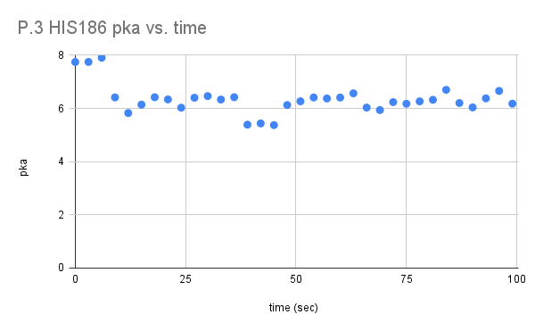
P.4 HIS186 pka vs. time

Project 3 His186 pKa
P3 His186 pKa vs. Time
time | 186
0 | 7.7452579281
3.0000000985 | 7.7479074199
6.0000001971 | 7.9068146002
9.0000002956 | 6.4153839452
12.000000394 | 5.8275680852
15.000000493 | 6.142309845
18.000000591 | 6.4208833833
21.00000069 | 6.339458967
24.000000788 | 6.0284162444
27.000000887 | 6.4030092515
30.000000985 | 6.4646553396
33.000001084 | 6.3354218954
36.000001183 | 6.4220357471
39.000001281 | 5.3905466144
42.00000138 | 5.4368888371
45.000001478 | 5.3740194757
48.000001577 | 6.1278787211
51.000001675 | 6.2688759248
54.000001774 | 6.4126136927
57.000001872 | 6.3749681522
60.000001971 | 6.4096522569
63.00000207 | 6.5677830779
66.000002168 | 6.0323643236
69.000002267 | 5.9410097818
72.000002365 | 6.2376576223
75.000002464 | 6.1773119697
78.000002562 | 6.2663840643
81.000002661 | 6.3244916428
84.000002759 | 6.6993732544
87.000002858 | 6.2037843992
90.000002956 | 6.0392612582
93.000003055 | 6.3789532778
96.000003154 | 6.6589046084
99.000003252 | 6.179342959

